Cover
Rebate Application: Electrification
Retrofit and New Construction Projects

 | Quick Links Click on a button below to jump to that page.

Administrative

Applicant Information

3rd Party Payment

Terms & Conditions

Customer Check List

Electrification

Electrification Worksheet

Electrification Specifications

 |  | Please submit to:
APS Solutions for Business
2020 N. Central Ave, Suite 900
Phoenix, AZ 85004
Tel: 866 277 5605 Fax: 866 277 5604
email: aps.solutionsforbusiness@dnv.com
All official program updates will be posted online at www.aps.com/businessrebates.

Application Form
 | Standard Application Form Retrofit |  |  |  |  |  |  | APS-22-
 |  |  |  |  |  |  |  | APS Application #
 | Customer Information

 |  |  |  | Pre-Notification (Required) |  |  |  | Final Application
 | Application Type |  | Submission Date: |  |  |  | Submission Date:
 |  |  | Estimated Completion Date: |  |  |  | Project Completion Date:
 | Name of Project |  |  |  |  |  |  |  | Business Type (Click and select below)
 | Name of Organization
 | Federal Taxpayer ID Number |  |  |  | Tax Status (Select status at right) Corporation, Tax-Exempt, Other |  |  |  | K-12 School College / University Office Retail Restaurant Hotel / Motel Medical Grocery Warehouse Industrial Miscellaneous Data Center
 | Name as it appears on your APS bill |  |  |  |  |  | APS Account Number
 | Name of Contact Person at Organization |  |  |  | Telephone # |  | Ext #
 | Title |  |  |  |  | Email Address
 | Paperless Notices
 | Address where Measures Installed
 | City, State, Zip (Measures Installed)
 | Mailing Address |  |  |  |  |  |  |  | Is this a Government entity?
 | City, State, Zip (Mailing Address)
 | Contractor Information
 |  | Contractor / Vendor (primary contact) |  |  |  | Associated Contractor / Vendor
 | Company Name
 | Contact Person |  |  |  |  |  |  |  | Est. Square Footage
 | Telephone #
 | Mailing Address City, State, Zip |  |  |  |  |  |  |  | Building Age (Click and select below)
 | Email Address
 | Rebate Check Information |  |  |  |  |  |  |  | Pre-1970 1970 - 1989 1990 - 2000 2001 - present
 | Issue Rebate Check to: (check only one) |  | Send to Customer listed above. |  |  |  | I request that the rebate check be issued to the third party indicated on the Third-Party Payment page.

 | Please indicate below if your organization intends to file for tax incentives related to the measures in this application.

 | Please complete the following section. By signing this agreement I attest that I understand and agree to abide by all program terms and conditions.

 | Customer Signature |  |  |  | Total Project Cost

 | Print Name |  |  |  | Total Rebate Requested
Notifications of rebate changes will only be sent if the approved incentive varies by greater than ±15% of requested amount.

 | Date
Please print out, sign, and return with Pre-Notification Application. For Final Applications, sign and submit after all equipment has been installed. Submission of this application does not guarantee any specific payment. Rebate payments are contingent upon funding availability and continued approval of this program by the Arizona Corporation Commission.

1

3rd PartyPayment
 | Standard Application Form Retrofit |  |  | APS-22-
 |  |  |  | APS Application # (from Application Form)
 | Third-Party Payment Release

 | Application Type
 | Retrofit
 | Name of Project
 | Name of Organization
 | Rebate Check Information
 | Payee
 | Issue Rebate Check to: (Organization receiving check)

 | Name of Contact Person at Third Party |  | Telephone # |  | Ext #

 | Title |  |  | Fax #
 | Third Party Mailing Address City, State, Zip

 | Email Address

 | Third Party Federal Taxpayer ID Number |  | Third-Party Tax Status (Click to the right and select status) Corporation, Tax-Exempt, Other

 | Please complete the following section. By signing this agreement, I attest that I understand and agree to abide by all program terms and conditions and that the rebates are to be paid to a Third-Party.

 | Customer Signature | Total Project Cost - From Applicant Info page

 | Print Name | Total Rebate Requested - From Applicant Info page
Notifications of rebate changes will only be sent if the approved rebate varies by greater than ±15% of requested amount.

 | Date
Please print out, sign, and return with Pre-Notification Application. For Final Applications, sign and submit after all equipment has been installed. Submission of this application does not guarantee any specific payment. Rebate payments are contingent upon funding availability and continued approval of this program by the Arizona Corporation Commission.

2

Terms
Key Terms and Conditions

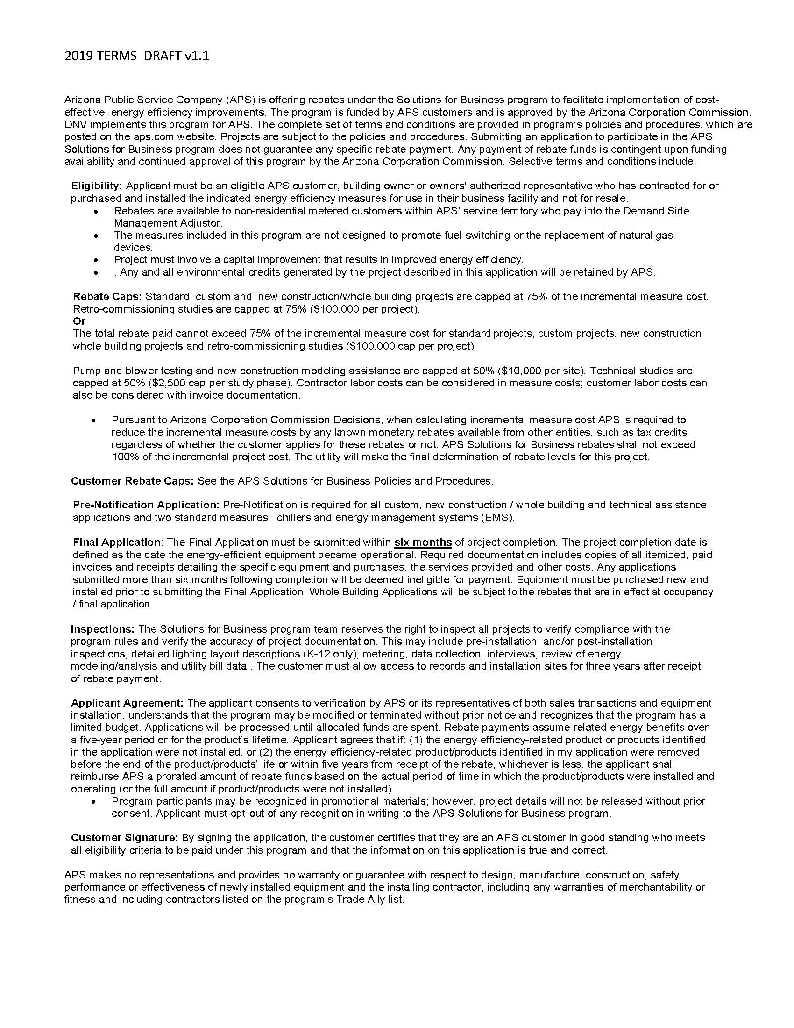

3

Check List
Customer Checklist

4

Electricfication Worksheet
Retrofit Electricfication Rebate Worksheet

 | Standby Truck Refrigeration
 | Make / Model | Quantity | Rebate | Rebate Subtotal
 |  |  | $750.00
 |  |  | $750.00

 | Electric Forklift
 | Make / Model | Quantity | Rebate | Rebate Subtotal
 |  |  | $1,250.00
 |  |  | $1,250.00

 | Airport Baggage Tug
 | Make / Model | Quantity | Rebate | Rebate Subtotal
 |  |  | $2,500.00
 |  |  | $2,500.00

 | Airport Baggage Belt Loaders
 | Make / Model | Quantity | Rebate | Rebate Subtotal
 |  |  | $1,100.00
 |  |  | $1,100.00

 | Pushback Tugs
 | Make / Model | Quantity | Rebate | Rebate Subtotal
 |  |  | $5,000.00
 |  |  | $5,000.00

 | See Electrification Spec pages for additional information.

Return to Cover Page
 |  |  | Electrification Total | $0.00
Rebates cannot exceed 75% of incremental measure cost.

Electrification Specs
Specifications for Electrification Measures

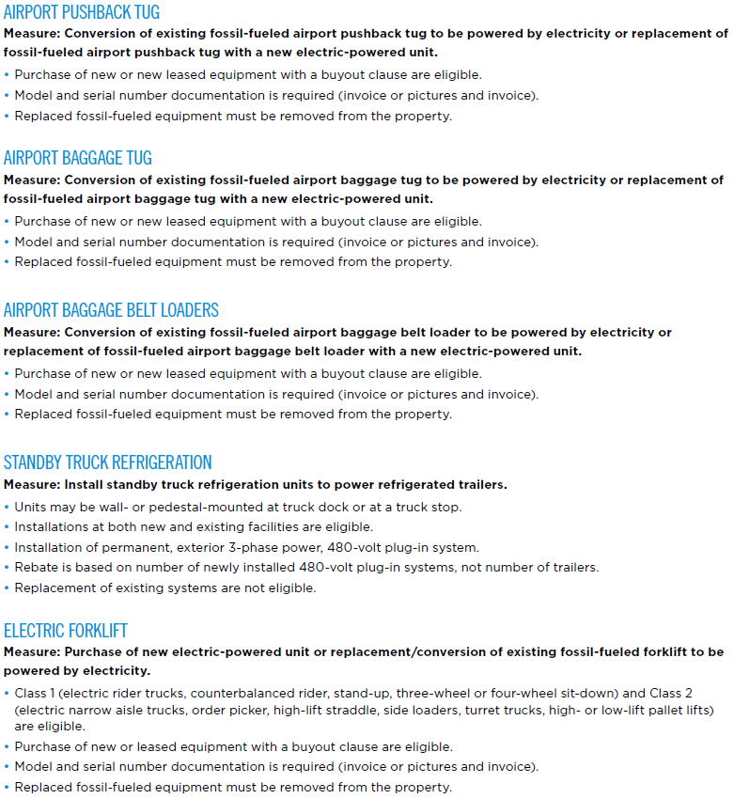

Return to the Cover Page
6

