Cover
Rebate Application: Whole Building Program Application
Retrofit and New Construction Projects

Policies and Procedures

Project Registration Form
Whole Building Application |  |  |  |  | APS-23-
 |  |  |  |  | APS Application #
Project Information

 |  |  | Pre-Notification | Final Application
Application Type* |  |  | Submission Date: | Submission Date:
 |  |  | Estimated Completion Date: | Project Completion Date:
Project Name |  |  |  | Name of Organization

Site Address |  |  |  | City | State | Zip Code

Primary Building Type | Project Type |  |  | Current Project Phase

Design Start Date | Estimated Construction Start Date |  |  | Estimated Occupancy Date

Building Owner Information
Organization Contact Person |  | Title |  | Company Name

Name as it appears on APS bill |  |  |  | APS Account Number

Mailing Address |  |  |  | City | State | Zip Code

Business Telephone |  |  |  | Email

Design Team Information
Organization Contact Person |  | Title |  | Company Name

Mailing Address |  |  |  | City | State | Zip Code

Business Telephone |  |  |  | Email

Energy Modeling Team Information
Organization Contact Person |  | Title |  | Company Name

Mailing Address |  |  |  | City | State | Zip Code

Business Telephone |  |  |  | Email

*Separate applications must be submitted for each Application Type (i.e. Construction, Modeling).

Submit all completed forms to:
Email: aps.solutionsforbusiness@dnv.com
Mail: APS Solutions for Business, 2020 N Central Ave, Suite 900 Phoenix, AZ 85004
For assistance call: (866) 277-5605

1

Checklist
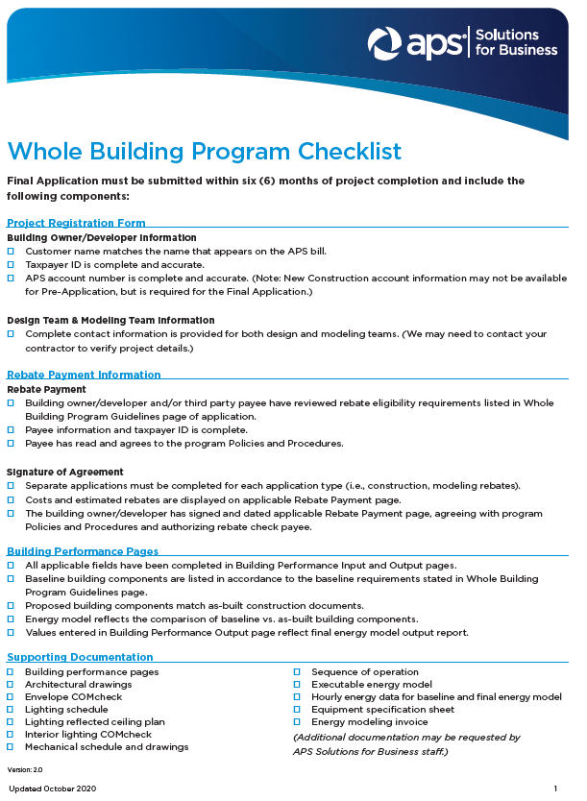

2

Modeling Rebate Payment
Please Select Application Type in Project Registration Form page |  |  | APS-23-
 |  |  | APS Application # (from Registration Form)
Whole Building Modeling Payment Release

Application Type

Name of Project
Name of Organization
Rebate Check Information
Payee |  | Fields below will populate based on selection in Payee dropdown and input from Project Registration Form page. If rebate check is to be issued to a different party than listed in the dropdown, please enter information manually.

Organization Contact Person | Title | Company Name

Mailing Address |  | City |  | State | Zip Code

Business Telephone |  | Email

Federal Tax ID Number* |  | Tax Status

*Federal Taxpayer ID numbers are required. Please do not submit Social Security numbers.

Please select an Application Type in the Project Registration Form page .

Please select Application Type in the Project Registration Form page
Building Owner Signature |  | Total Cost of Modeling

Print Name |  | Modeling Rebate
Notifications of rebate changes will only be sent if the approved rebate varies by greater than ±15% of requested amount.
Date

3

Construction Rebate Payment
Please Select Application Type in Project Registration Form page |  |  | APS-23-
 |  |  | APS Application # (from Registration Form)
Whole Building Construction Payment Release

Application Type

Name of Project
Name of Organization
Rebate Check Information
Payee |  | Fields below will populate based on selection in Payee dropdown and input from Project Registration Form page. If incentive check is to be issued to a different party than listed in the dropdown, please enter information manually.

Organization Contact Person | Title | Company Name

Mailing Address |  | City |  | State | Zip Code

Business Telephone |  | Email

Federal Tax ID Number* |  | Tax Status

*Federal Taxpayer ID numbers are required. Please do not submit Social Security numbers.

Please select an Application Type in the Project Registration Form page .

Please select Application Type in Project Registration Form page
Building Owner Signature |  | Total Cost of Construction

Print Name |  | Construction Rebate
Notifications of rebate changes will only be sent if the approved rebate varies by greater than ±15% of requested amount.
Date

4

Program Guidelines
Whole Building Program Guidelines - Page 1 of 3

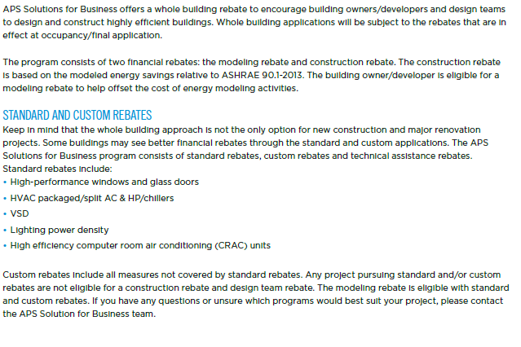

8
Whole Building Program Guidelines - Page 2 of 3

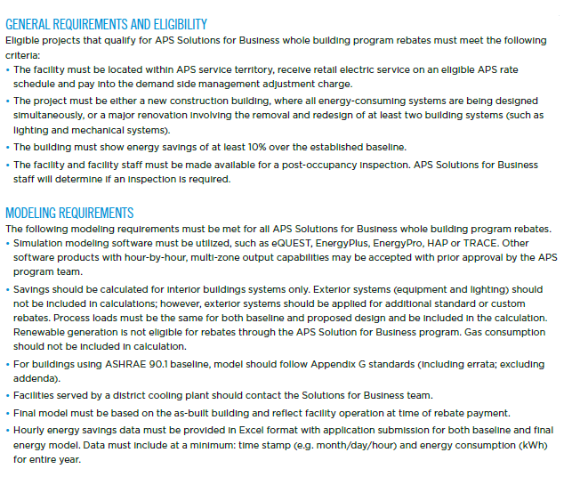

9
Whole Building Program Guidelines - Page 3 of 3

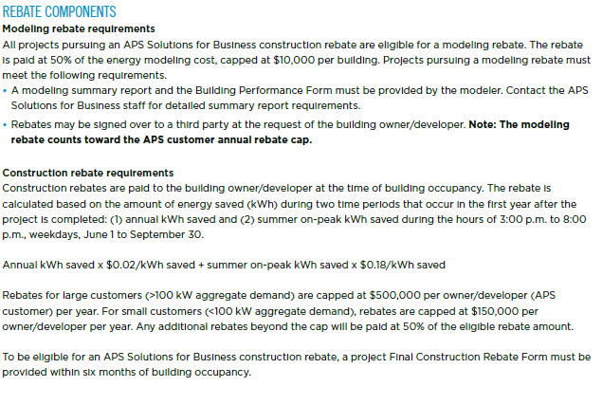

10

12

