Cover
Introduction
APS Solutions for Business Whole Building Program offers rebates to facility owners and designers to encourage the design and construction of highly efficient buildings.
Incentive Categories
Construction Rebate
Construction rebates encourage owners to invest in energy efficiency as a major goal in their new construction or major renovation projects. Financial rebates are available to owners when the efficiency of their project exceeds the minimum threshold.
Energy Modeling Rebates
Energy modeling rebates support integration of innovative design technologies into new construction projects. Tailored to individual projects, energy modeling rebates provide 50% of the energy modeling cost up to $10,000 to owners or their design teams.
Send applications by:
Email
aps.solutionsforbusiness@dnvgl.com
Mail
APS Solutions for Business,
2020 N. Central Ave, Suite 900
Phoenix, AZ 85004
Program Policies and Procedures:
Please refer to the APS Solutions for Business Policies and Procedures through the link below:
Follow This Easy Process:
1 - Determine Eligibility.
Check eligibility requirements. For complete eligibility requirements, please see APS Solutions for Business Program Guidelines.
2 - Submit Forms and Support Documents.
For complete requirements , please see APS Solutions for Business Program Guidelines.
3 - Receive Your Check.
The incentive check will be mailed four to six weeks after approval of the final application.
If you need assistance, contact our program:
1-866-277-5605
aps.solutionsforbusiness@dnvgl.com
Please visit our website: ww.aps.com/businessrebates

https://webtools.dnvgl.com/projects62/Portals/32/S4B_Policies_and_Procedures.pdf
The Solutions for Business program is funded by APS customers and approved by the Arizona Corporation Commission. Payment of incentive funds is contingent upon funding availability and continued approval of this program by the Arizona Corporation Commission.

Project Registration Form
Whole Building Application |  |  |  |  | APS-20-
 |  |  |  |  | APS Application #
Project Information

 |  |  | Pre-Notification | Final Application
Application Type* |  |  | Submission Date: | Submission Date:
 |  |  | Estimated Completion Date: | Project Completion Date:
Project Name |  |  |  | Name of Organization

Site Address |  |  |  | City | State | Zip Code

Primary Building Type | Project Type |  |  | Current Project Phase

Design Start Date | Estimated Construction Start Date |  |  | Estimated Occupancy Date

Building Owner Information
Organization Contact Person |  | Title |  | Company Name

Name as it appears on APS bill |  |  |  | APS Account Number

Mailing Address |  |  |  | City | State | Zip Code

Business Telephone |  |  |  | Email

Design Team Information
Organization Contact Person |  | Title |  | Company Name

Mailing Address |  |  |  | City | State | Zip Code

Business Telephone |  |  |  | Email

Energy Modeling Team Information
Organization Contact Person |  | Title |  | Company Name

Mailing Address |  |  |  | City | State | Zip Code

Business Telephone |  |  |  | Email

*Separate applications must be submitted for each Application Type (i.e. Construction, Modeling).

Submit all completed forms to:
Email: aps.solutionsforbusiness@dnvgl.com
Mail: APS Solutions for Business, 2020 N Central Ave, Suite 900 Phoenix, AZ 85004
For assistance call: (866) 277-5605

1

Checklist
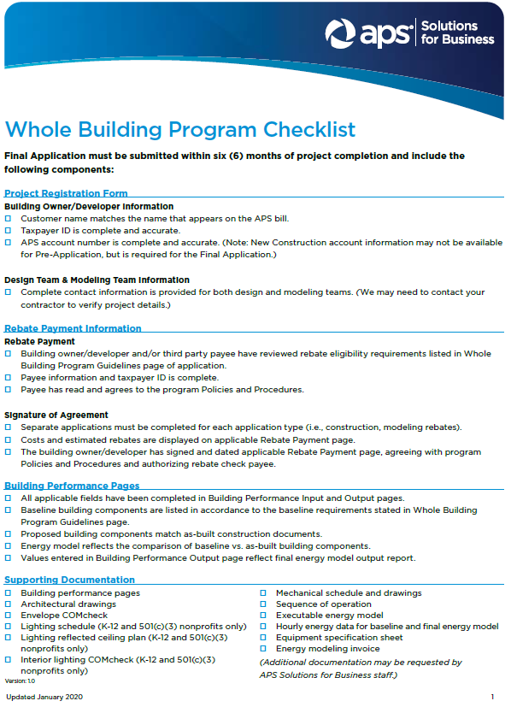

2

Modeling Rebate Payment
Please Select Application Type in Project Registration Form page |  |  | APS-20-
 |  |  | APS Application # (from Registration Form)
Whole Building Modeling Payment Release

Application Type

Name of Project
Name of Organization
Rebate Check Information
Payee |  | Fields below will populate based on selection in Payee dropdown and input from Project Registration Form page. If rebate check is to be issued to a different party than listed in the dropdown, please enter information manually.

Organization Contact Person | Title | Company Name

Mailing Address |  | City |  | State | Zip Code

Business Telephone |  | Email

Federal Tax ID Number* |  | Tax Status

*Federal Taxpayer ID numbers are required. Please do not submit Social Security numbers.

Please select an Application Type in the Project Registration Form page .

Please select Application Type in the Project Registration Form page
Building Owner Signature |  | Total Cost of Modeling

Print Name |  | Modeling Rebate
Notifications of rebate changes will only be sent if the approved rebate varies by greater than ±15% of requested amount.
Date

3

Construction Rebate Payment
Please Select Application Type in Project Registration Form page |  |  | APS-20-
 |  |  | APS Application # (from Registration Form)
Whole Building Construction Payment Release

Application Type

Name of Project
Name of Organization
Rebate Check Information
Payee |  | Fields below will populate based on selection in Payee dropdown and input from Project Registration Form page. If incentive check is to be issued to a different party than listed in the dropdown, please enter information manually.

Organization Contact Person | Title | Company Name

Mailing Address |  | City |  | State | Zip Code

Business Telephone |  | Email

Federal Tax ID Number* |  | Tax Status

*Federal Taxpayer ID numbers are required. Please do not submit Social Security numbers.

Please select an Application Type in the Project Registration Form page .

Please select Application Type in Project Registration Form page
Building Owner Signature |  | Total Cost of Construction

Print Name |  | Construction Rebate
Notifications of rebate changes will only be sent if the approved rebate varies by greater than ±15% of requested amount.
Date

4

Program Guidelines
Whole Building Program Guidelines - Page 1 of 3

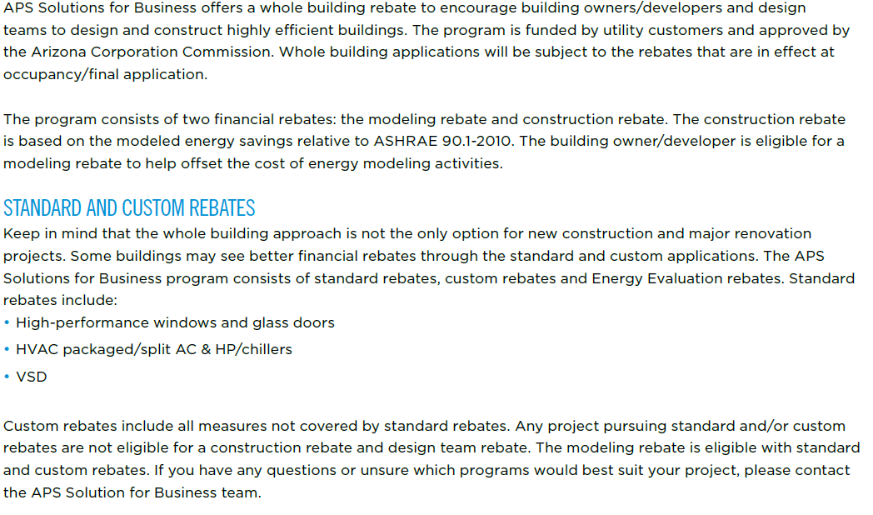

8
Whole Building Program Guidelines - Page 2 of 3

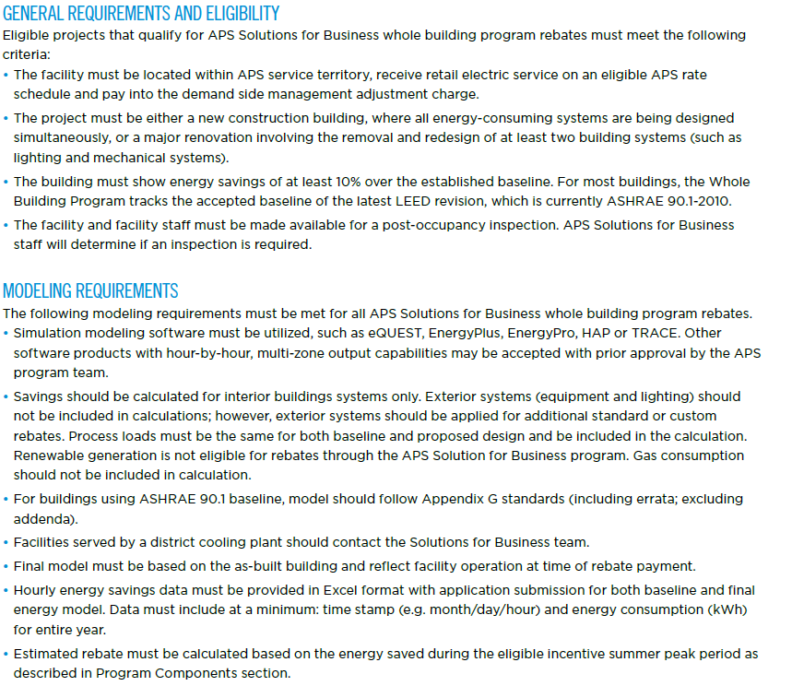

9
Whole Building Program Guidelines - Page 3 of 3

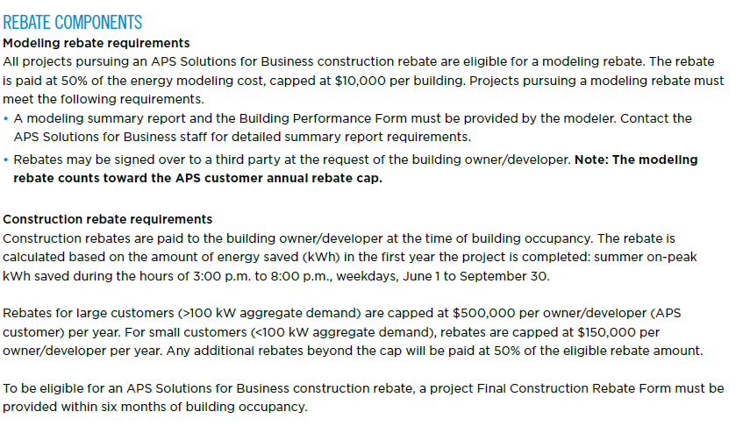

10

12

